Data
Ownership of Forest Land

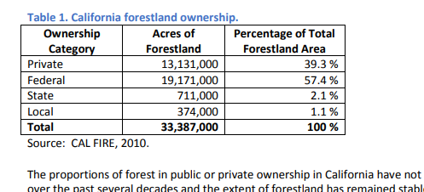

Of the approximately 33 million acres of forest in California, federal agencies (including the USDA Forest Service and USDI Bureau of Land Management and National Park Service) own a
nd manage 19 million acres (57%). State and local agencies including CalFire, local open space, park and water districts and land trusts own another 3%.
40% of California's forestland is owned by families, Native American tribes, or companies. Industrial timber companies own 5 million acres (14%). 9 million acres are owned by individuals with nearly 90% of these owners having less than 50 acres of forest land.

Government share | 0.606
Consumers/households | 0.27272727273
Industry | 0.12127272727

